Task summary
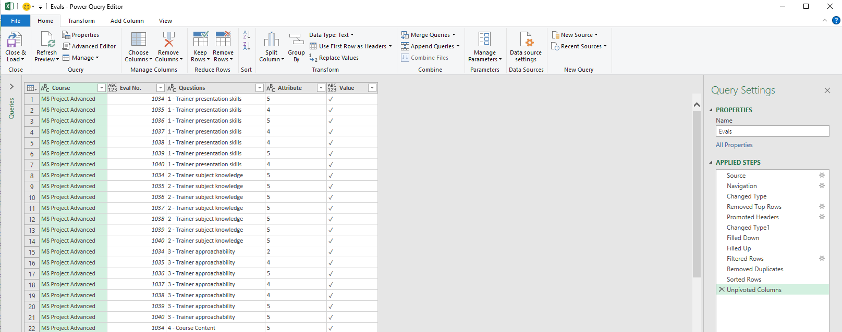
UNPIVOT COLUMNS

Univot columns 5,4,3,2,1 into 1 single column

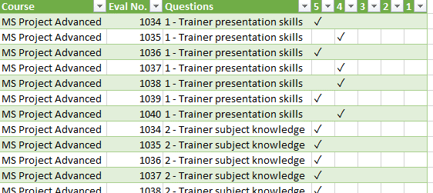

Hướng dẫn làm bài

Step1: Import files

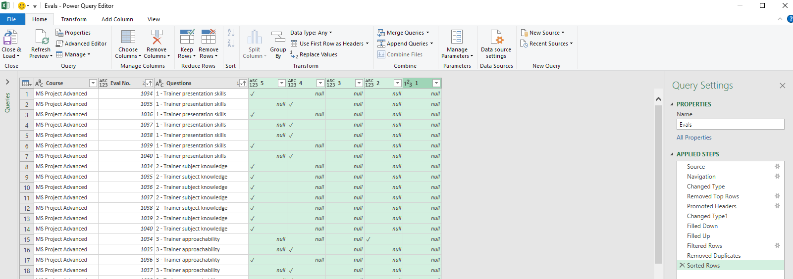

Step2: Transform -> Unpivot Columns -> Unpivot Columns
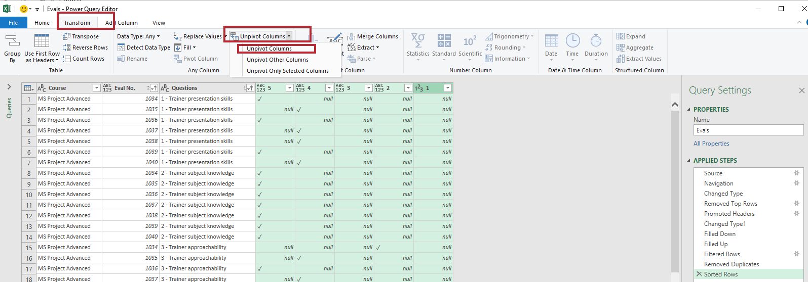

Result:

